Reference
rule based | 통계분석 | DL
K. Itonori, 1993. | T. Kieninger et al.,1998. | L. Hao et al., 2016.
S. Chandran et al., 1993. | F. Cesarini et al., 2002. | S. Schreiber et al., 2017.
Y. Hirayama, 1995. | A. C. e Silva, 2009. | S. A. Siddiqui, 2018
E. Green et al., 1995. | T. Kasar et al., 2013. | S. Paliwal, 2019
S. Tupaj et al., 1996. | M. Fan et al., 2015. | A. Gilani et al., 2017
J. Hu et al., 1999. |  | N. Sun et al., 2019.
B. Gatos et al., 2005. |  | N. D. Vo et al., 2018.
F. Shafait et al., 2010. |  | S. Arif et al., 2018
 |  | M. Li, et al., 2019.
 |  | J. Younas, et al., 2019.
 |  | X. Zhong, et al., 2019.
 |  | R. Saha, et al., 2019.
 |  | A. Casado-Garc ´ ´ıa, et al., 2019.
 |  | M. Agarwal, et al., 2021
 |  | Devashish Prasad et al., 2020
 |  | H. Kwon et al., Deep table Detection Using Image-Lexical Feature, 2021
 |  | 경민영, 이현빈, 문서 이미지 내 표 검출 정확도 향상, 2021
 |  | S. H. Lee et al., 2021

 | Rule based | 통계분석 | Deep learning
1993 | 2
1994 |  |  |  | 1993 | 1998 | 2016
1995 | 2 |  |  | 1993 | 2002
1996 | 1 |  |  | 1995 | 2009
1997 |  |  |  | 1995 | 2013 | 2019
1998 |  | 2 |  | 1996 | 2015
1999 | 1 |  |  | 1999 |  | 2019
2000 |  |  |  | 2005
2001 |  |  |  | 2010
2002 |  | 1 |  |  |  | 2019
2003 |  |  |  |  |  | 2019
2004 |  |  |  |  |  | 2019
Table detection 연구동향
 | Rule based | 통계분석 | Deep learning
1993 | 2
1994
1995 | 2
1996 | 1
1997
1998 |  | 2
1999 | 1
2000
2001
2002 |  | 1
2003
2004
2005 | 1
2006
2007
2008
2009 |  | 1
2010 | 1
2011
2012
2013 |  | 1
2014
2015 |  | 1
2016 |  |  | 1
2017 |  |  | 2
2018 |  |  | 3
2019 |  |  | 7
2020 |  |  | 2
2021 |  |  | 4
2005 | 1 |  |  |  |  | 2019
2006 |  |  |  |  |  | 2019
2007 |  |  |  |  |  | 2020
2008 |  |  |  |  |  | 2021
2009 |  | 1 |  |  |  | 2021
2010 | 1 |  |  |  |  | 2021
2011
2012
2013 |  | 1
2014
2015 |  | 1
2016 |  |  | 1
2017 |  |  | 2
2018 |  |  | 3
2019 |  |  | 7
2020 |  |  | 2
2021 |  |  | 4

model_loss
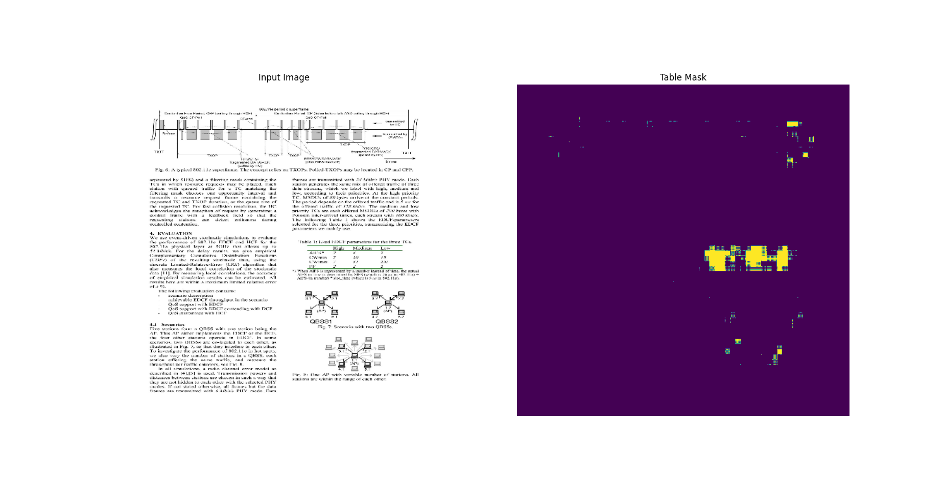
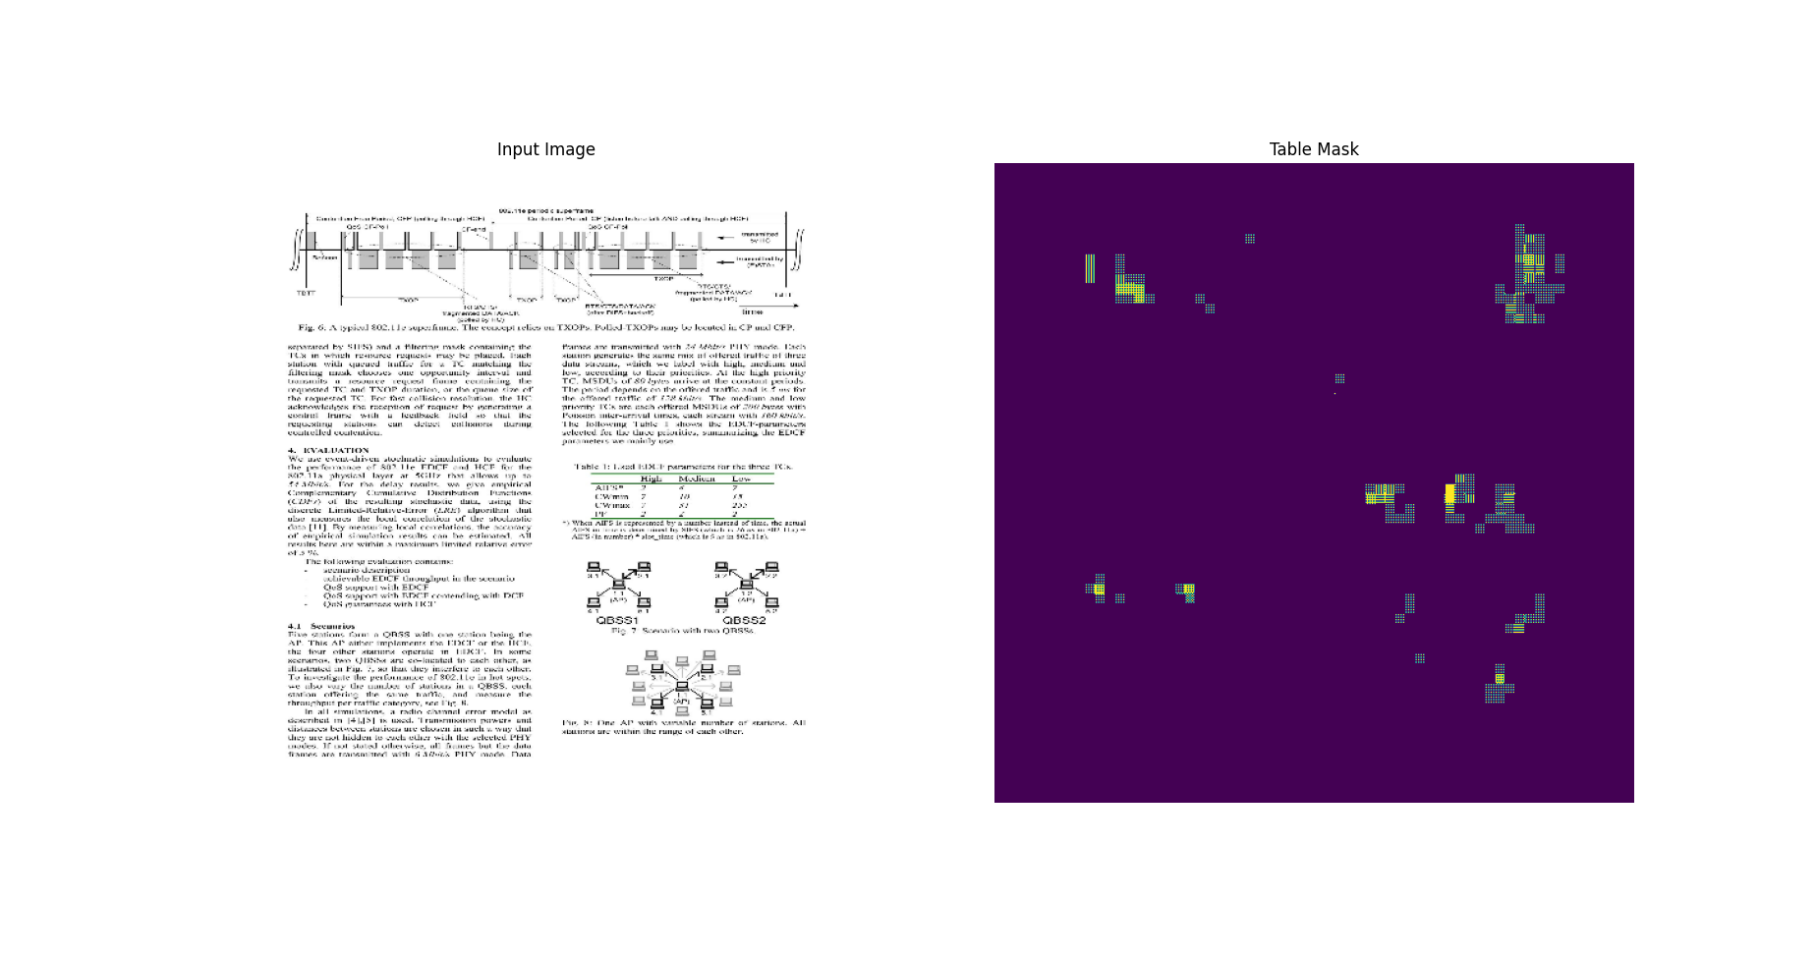
TableNet_original |  |  |  |  |  |  |  |  | ResNet50+VGG10
 | Train f1 score | Train loss | Validation f1 score | Validation loss |  |  |  |  |  | Train f1 score | Train loss | Validation f1 score | Validation loss
0 | 0.31878983974 | 3.668135643 | 0.40448179841 | 3.4152617455 |  |  |  |  | 0 | 0.32493641973 | 1.7870179415 | 0.32537350059 | 1.4522540569
1 | 0.47714787722 | 2.5845048428 | 0.5391831398 | 2.5124588013 |  |  |  |  | 1 | 0.5185867548 | 1.1897252798 | 0.56870925426 | 1.0820202827
2 | 0.5210018158 | 1.9773273468 | 0.59157389402 | 1.9401836395 |  |  |  |  | 2 | 0.62229305506 | 0.97104233503 | 0.65502816439 | 0.8902785182
3 | 0.54932695627 | 1.5432810783 | 0.47631877661 | 1.6689977646 |  |  |  |  | 3 | 0.68553853035 | 0.81356179714 | 0.68771731853 | 0.75692141056
4 | 0.56766986847 | 1.2097133398 | 0.62014037371 | 1.2735931873 |  |  |  |  | 4 | 0.72868865728 | 0.68393075466 | 0.75333702564 | 0.65103310347
5 | 0.57747024298 | 0.95808959007 | 0.62438797951 | 1.0477768183 |  |  |  |  | 5 | 0.75491726398 | 0.58277571201 | 0.74730992317 | 0.55412364006
6 | 0.58111512661 | 0.77134019136 | 0.55624210835 | 0.9482126236 |  |  |  |  | 6 | 0.77153593302 | 0.50339347124 | 0.76193404198 | 0.48278614879
7 | 0.59109848738 | 0.61976051331 | 0.61852407455 | 0.76753848791 |  |  |  |  | 7 | 0.77580499649 | 0.43571525812 | 0.77390176058 | 0.43693166971
8 | 0.593996346 | 0.51707273722 | 0.49732223153 | 0.75657063723 |  |  |  |  | 8 | 0.78839635849 | 0.37602156401 | 0.76217317581 | 0.38673135638
9 | 0.59563350677 | 0.42792132497 | 0.73724591732 | 0.53043484688 |  |  |  |  | 9 | 0.79231745005 | 0.32994440198 | 0.73097449541 | 0.37126225233
10 | 0.59829258919 | 0.36354285479 | 0.64805233479 | 0.49489510059 |  |  |  |  | 10 | 0.79992717505 | 0.28835919499 | 0.76946461201 | 0.30886059999
11 | 0.6039545536 | 0.31649103761 | 0.67561644316 | 0.44822114706 |  |  |  |  | 11 | 0.80484205484 | 0.25305873156 | 0.7720887661 | 0.2786321342
12 | 0.61338871717 | 0.27900442481 | 0.65495997667 | 0.42071458697 |  |  |  |  | 12 | 0.80234873295 | 0.22304469347 | 0.75425612926 | 0.25938251615
13 | 0.60789734125 | 0.24971874058 | 0.58539623022 | 0.44613626599 |  |  |  |  | 13 | 0.79051876068 | 0.21870526671 | 0.71140044928 | 0.25717556477
14 | 0.60666382313 | 0.22956955433 | 0.60931700468 | 0.43001326919 |  |  |  |  | 14 | 0.81118363142 | 0.18766272068 | 0.75147682428 | 0.21442824602
15 | 0.61607587337 | 0.21135519445 | 0.63971543312 | 0.38124594092 |  |  |  |  | 15 | 0.80878978968 | 0.16950635612 | 0.76516568661 | 0.20406925678
16 | 0.61641985178 | 0.20342221856 | 0.73052674532 | 0.32108068466 |  |  |  |  | 16 | 0.81684601307 | 0.15181420743 | 0.76197397709 | 0.19106426835
17 | 0.61873966455 | 0.20634292066 | 0.65603929758 | 0.36369344592 |  |  |  |  | 17 | 0.81857764721 | 0.1393057704 | 0.77020823956 | 0.17293339968
18 | 0.61979913712 | 0.19408001006 | 0.72330629826 | 0.3143658936 |  |  |  |  | 18 | 0.82067143917 | 0.1313110888 | 0.74578255415 | 0.17783103883
19 | 0.61480271816 | 0.18992763758 | 0.69999575615 | 0.31542661786 |  |  |  |  | 19 | 0.82408577204 | 0.12156794965 | 0.77574062347 | 0.15823052824
20 | 0.61937201023 | 0.17991164327 | 0.55525821447 | 0.42160409689 |  |  |  |  | 20 | 0.82047218084 | 0.11560790241 | 0.75718706846 | 0.1633888185
21 | 0.62386208773 | 0.18594053388 | 0.58948856592 | 0.38490641117 |  |  |  |  | 21 | 0.82217895985 | 0.10450614244 | 0.75832229853 | 0.14672265947
22 | 0.6178868413 | 0.18480286002 | 0.66188025475 | 0.33290177584 |  |  |  |  | 22 | 0.82792901993 | 0.099885761738 | 0.72607088089 | 0.16253830492
23 | 0.62611621618 | 0.18041056395 | 0.60824280977 | 0.38930177689 |  |  |  |  | 23 | 0.81905806065 | 0.095768205822 | 0.76370257139 | 0.1431658119
24 | 0.62136864662 | 0.17757998407 | 0.71267396212 | 0.31808075309 |  |  |  |  | 24 | 0.82611608505 | 0.089727699757 | 0.77774149179 | 0.1212657243
25 | 0.62086427212 | 0.1888139993 | 0.62378931046 | 0.3702185154 |  |  |  |  | 25 | 0.82854098082 | 0.090870410204 | 0.72037178278 | 0.15237466991
26 | 0.63110530376 | 0.18177218735 | 0.72061955929 | 0.31428650022 |  |  |  |  | 26 | 0.82398986816 | 0.086003191769 | 0.76764255762 | 0.11920703948
27 | 0.63387155533 | 0.17202796042 | 0.69189751148 | 0.31516739726 |  |  |  |  | 27 | 0.82526904345 | 0.081364378333 | 0.75391697884 | 0.1431671977
28 | 0.62310194969 | 0.18245625496 | 0.57941174507 | 0.39596801996 |  |  |  |  | 28 | 0.82096141577 | 0.082833975554 | 0.76442021132 | 0.12714606524
29 | 0.62149572372 | 0.1844394356 | 0.42828407884 | 0.62131500244 |  |  |  |  | 29 | 0.81786769629 | 0.084741443396 | 0.76655381918 | 0.11821497232

Xception+VGG19 |  |  |  |  |  |  |  |  | ResNet50+VGG10_low reg
 | Train f1 score | Train loss | Validation f1 score | Validation loss |  |  |  |  |  | Train f1 score | Train loss | Validation f1 score | Validation loss
0 | 0.34082195163 | 2.512247324 | 0.42284321785 | 2.1418275833 |  |  |  |  | 0 | 0.34957081079 | 0.66424620152 | 0.61650437117 | 0.35484629869
1 | 0.49866983294 | 1.8627816439 | 0.4652890861 | 1.6951363087 |  |  |  |  | 1 | 0.56817042828 | 0.32430461049 | 0.73025894165 | 0.25341522694
2 | 0.5486599803 | 1.488756299 | 0.53463155031 | 1.3412617445 |  |  |  |  | 2 | 0.66208273172 | 0.25262957811 | 0.72977918386 | 0.21407628059
3 | 0.57968765497 | 1.1964669228 | 0.54486119747 | 1.0936903954 |  |  |  |  | 3 | 0.71137088537 | 0.21277143061 | 0.63656550646 | 0.19534789026
4 | 0.59602946043 | 0.97444552183 | 0.64945083857 | 0.87123227119 |  |  |  |  | 4 | 0.70771801472 | 0.21207390726 | 0.49428835511 | 0.46519950032
5 | 0.60472017527 | 0.80222332478 | 0.66038560867 | 0.69766134024 |  |  |  |  | 5 | 0.7554422617 | 0.1726885736 | 0.73104071617 | 0.16513223946
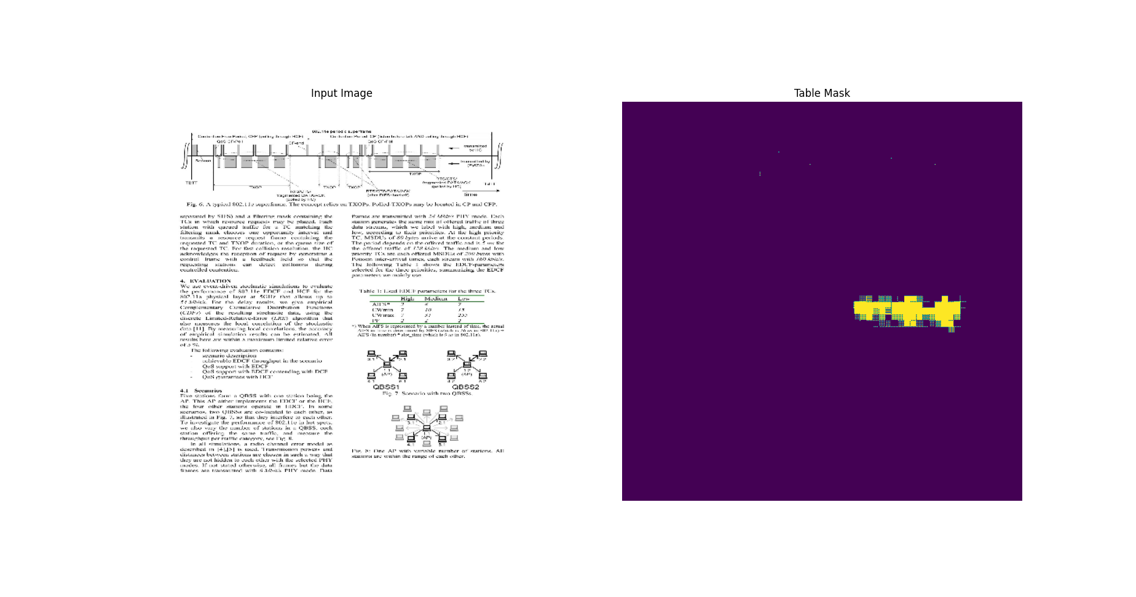
6 | 0.62476950884 | 0.65613979101 | 0.5626116395 | 0.61738866568 |  |  |  |  | 6 | 0.77349454165 | 0.1564899534 | 0.71866446733 | 0.16731892526
7 | 0.62344908714 | 0.55538028479 | 0.69855374098 | 0.4800170064 |  |  |  |  | 7 | 0.78344088793 | 0.14838311076 | 0.78013557196 | 0.15434606373
8 | 0.64679771662 | 0.46182399988 | 0.66193944216 | 0.41182520986 |  |  |  |  | 8 | 0.78919512033 | 0.13706088066 | 0.7398840189 | 0.15275368094
9 | 0.63833421469 | 0.40039229393 | 0.69393283129 | 0.34445121884 |  |  |  |  | 9 | 0.79831802845 | 0.13115251064 | 0.76913684607 | 0.14277085662
10 | 0.65360641479 | 0.34412065148 | 0.7042875886 | 0.30146157742 |  |  |  |  | 10 | 0.79939436913 | 0.12182801962 | 0.79776537418 | 0.13661043346
11 | 0.65628117323 | 0.29692351818 | 0.75052708387 | 0.26245349646 |  |  |  |  | 11 | 0.79796266556 | 0.12496653199 | 0.7011770606 | 0.14501185715
12 | 0.6592066288 | 0.26584950089 | 0.71452373266 | 0.24491637945 |  |  |  |  | 12 | 0.80048525333 | 0.11736388505 | 0.76197046041 | 0.13559001684
13 | 0.6652867794 | 0.2438544333 | 0.5270268321 | 0.28464460373 |  |  |  |  | 13 | 0.80679827929 | 0.11208897829 | 0.72865396738 | 0.12885807455
14 | 0.67315244675 | 0.22002109885 | 0.75742048025 | 0.19695992768 |  |  |  |  | 14 | 0.80884969234 | 0.10473396629 | 0.77590990067 | 0.12490206957
15 | 0.67590117455 | 0.20951133966 | 0.73389780521 | 0.1853684783 |  |  |  |  | 15 | 0.81725513935 | 0.098510935903 | 0.78174579144 | 0.11464162916
16 | 0.673417449 | 0.19529247284 | 0.65897554159 | 0.20063063502 |  |  |  |  | 16 | 0.81532543898 | 0.096099048853 | 0.74103295803 | 0.1184284538
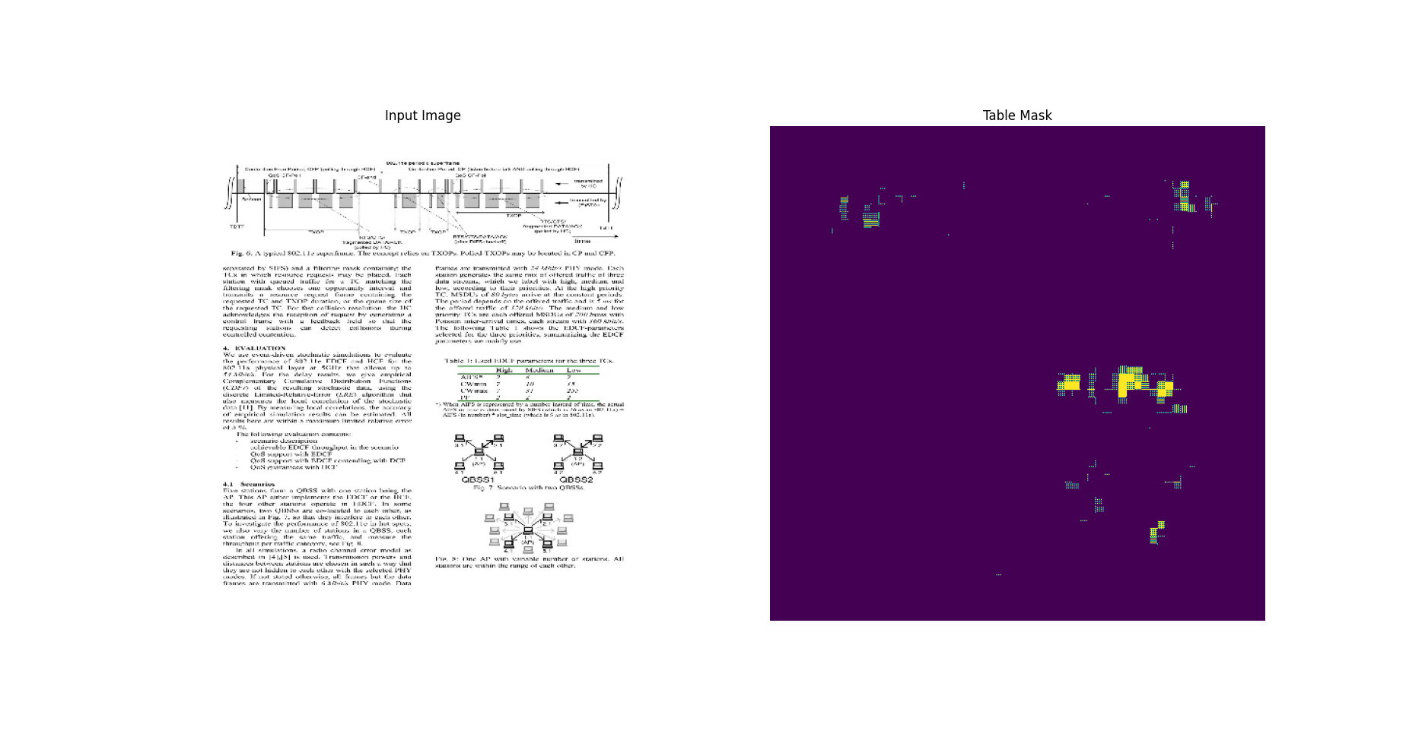
17 | 0.68667107821 | 0.18647798896 | 0.79857873917 | 0.19737541676 |  |  |  |  | 17 | 0.81872880459 | 0.090761914849 | 0.69824880362 | 0.12369005382
18 | 0.68277573586 | 0.1805549413 | 0.72504752874 | 0.16767221689 |  |  |  |  | 18 | 0.81986242533 | 0.089837618172 | 0.75331866741 | 0.10768952966
19 | 0.67789214849 | 0.172003299 | 0.66481232643 | 0.18092487752 |  |  |  |  | 19 | 0.8214623332 | 0.088596634567 | 0.77012455463 | 0.10837478936
20 | 0.68350827694 | 0.18328383565 | 0.66323596239 | 0.17708958685 |  |  |  |  | 20 | 0.78615611792 | 0.11279459298 | 0.75398570299 | 0.11188928783
21 | 0.69412082434 | 0.1664827466 | 0.65855836868 | 0.1754219383 |  |  |  |  | 21 | 0.7281730175 | 0.14877529442 | 0.69814699888 | 0.12384600937
22 | 0.69533419609 | 0.15868075192 | 0.7110710144 | 0.16056470573 |  |  |  |  | 22 | 0.78793627024 | 0.10602107644 | 0.82375490665 | 0.11104425788
23 | 0.69156831503 | 0.16785904765 | 0.68793529272 | 0.16893875599 |  |  |  |  | 23 | 0.81485766172 | 0.086612634361 | 0.78110140562 | 0.10063993186
24 | 0.69106078148 | 0.16443179548 | 0.68701976538 | 0.16242331266 |  |  |  |  | 24 | 0.8196927309 | 0.079077742994 | 0.75820803642 | 0.10335396975
25 | 0.69447290897 | 0.15929734707 | 0.7642416358 | 0.16603295505 |  |  |  |  | 25 | 0.82246023417 | 0.078338824213 | 0.77382391691 | 0.1020315364
26 | 0.70063865185 | 0.15934215486 | 0.67958652973 | 0.16644148529 |  |  |  |  | 26 | 0.8264400959 | 0.073925860226 | 0.80528503656 | 0.10107635707
27 | 0.70015591383 | 0.15846683085 | 0.69953274727 | 0.15500317514 |  |  |  |  | 27 | 0.82937568426 | 0.070800982416 | 0.82331866026 | 0.097586750984
28 | 0.70611560345 | 0.14845357835 | 0.79217290878 | 0.16072361171 |  |  |  |  | 28 | 0.82509499788 | 0.071137845516 | 0.80373352766 | 0.097208358347
29 | 0.6999527812 | 0.15356887877 | 0.66804224253 | 0.16191385686 |  |  |  |  | 29 | 0.82773447037 | 0.067782558501 | 0.81763994694 | 0.092217177153

 |  |  |  |  | Original | Xception | ResNet50 | ResNet50 low lr
 |  |  |  |  | 0.62131500244 | 0.16191385686 | 0.11821497232 | 0.092217177153

